Indices

 | Iraq Stock Exchange
 | Bulletin No (184)

 | ISX Trading Indices of Wednesday 15/10/2025

 | Traded Volume and OTC |  | 1,190,685,681 |  | Traded Value and OTC |  | 2,288,980,072 |  | Traders | 1112
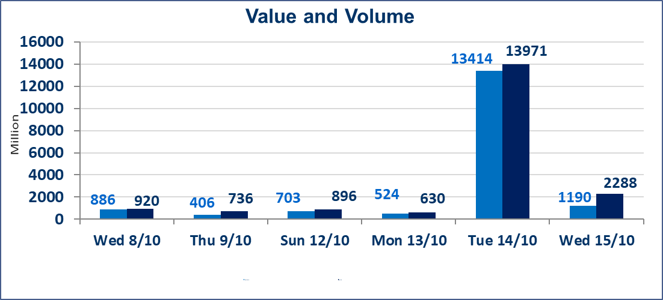
 | ISX Index 60 |  |  | 935.98 | ISX Index 15 |  |  | 1114.21
 | Previous ISX Index60 |  |  | 946.85 | Previous ISX Index15 |  |  | 1123.95
 | Change % |  |  | -1.15 | Change % |  |  | -0.87
 | Change |  |  | -10.87 | Change |  |  | -9.74

 | Listed Companies | 104 | OTC | 11 | Non Traded listed | 44 | OTC | 10
 | Traded Listed Companies | 45 | OTC | 0 | Higher Companies |  |  | 7
 | GAM Companies |  |  | 5 | Lower Companies |  |  | 22
 | Suspended Companies |  |  | 10
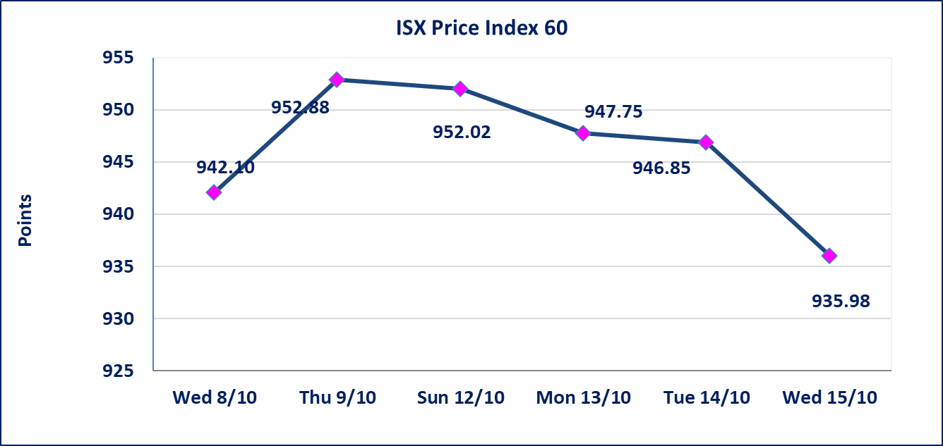
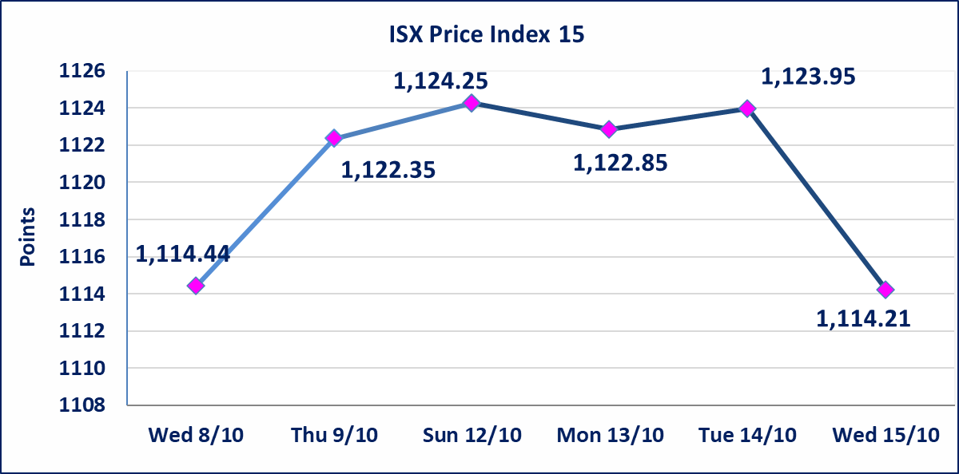

Al-Alwiya P.O . 3607 Mobile: 07711211522 - 07270094594 - 07834000034 E-mail: info-isx@isx-iq.net Web site:www.isx-iq.net

Top 5
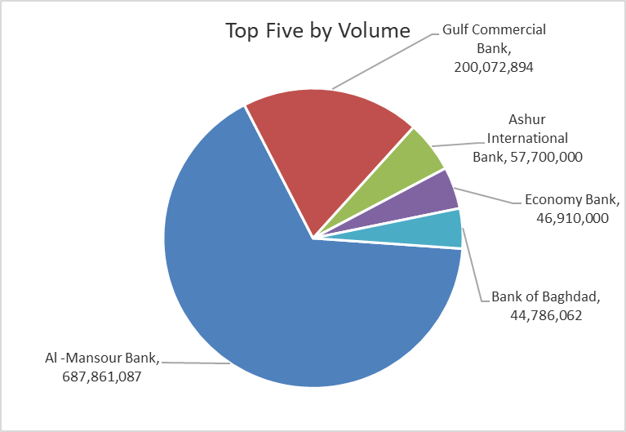
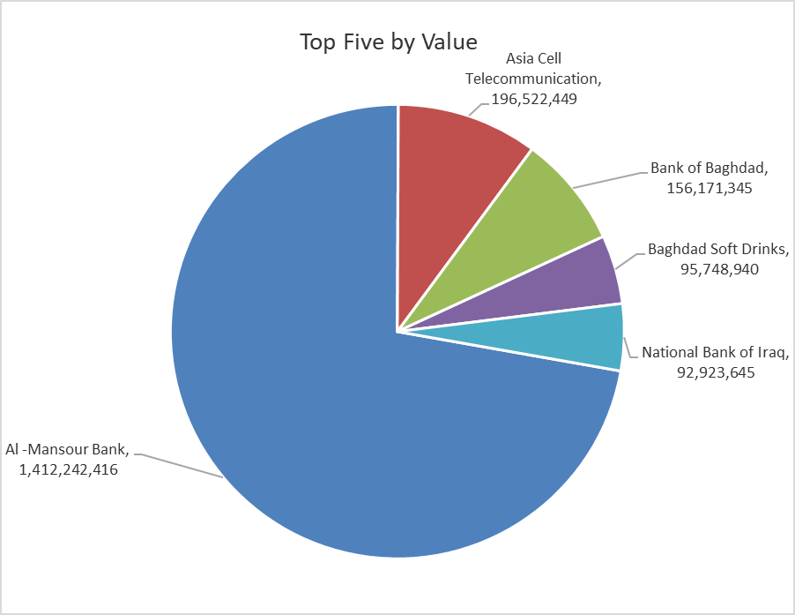
ISX top ganing and losing companies
Wednesday 15/10/2025
Gainers |  |  |  | Losers
Company Name | Closing Price | Change (%) | Traded Volume | Company Name | Closing Price | Change (%) | Traded Volume
AL-Nukhba for Construction | 0.900 | 5.88 | 19,000 | Sumer Commercial Bank | 0.080 | -11.11 | 20,002,000
Palestine Hotel | 27.370 | 4.99 | 989,626 | Al-Kindi of Veterinary Vaccines | 2.790 | -6.69 | 9,500
General Transportation | 1.530 | 4.08 | 2,504,000 | Baghdad -Iraq Transportation | 31.500 | -5.97 | 912,591
Iraqi Carton Manufactories | 1.230 | 2.50 | 20,709 | Iraqi Agricultural Products | 13.250 | -3.64 | 35,724
Kharkh Tour Amuzement City | 4.600 | 2.22 | 3,083,683 | Modern Sewing | 6.650 | -3.62 | 691,461

The most active companies in term of traded volume and value

Traded Volume |  |  |  | Traded Value
Company Name | Closing Price | Change (%) | Traded Volume | Company Name | Closing Price | Change (%) | Traded Value
Al -Mansour Bank | 2.050 | -0.97 | 687,861,087 | Al -Mansour Bank | 2.050 | -0.97 | 1,412,242,416
Gulf Commercial Bank | 0.300 | -3.23 | 200,072,894 | Asia Cell Telecommunication | 11.850 | -0.67 | 196,522,449
Ashur International Bank | 0.260 | 0.00 | 57,700,000 | Bank of Baghdad | 3.450 | -2.54 | 156,171,345
Economy Bank | 0.230 | 0.00 | 46,910,000 | Baghdad Soft Drinks | 4.560 | -0.22 | 95,748,940
Bank of Baghdad | 3.450 | -2.54 | 44,786,062 | National Bank of Iraq | 4.150 | -1.19 | 92,923,645

Non Iraqis

Iraq Stock Exchange
Non Iraqis' Bulletin Wednesday Oct 15 2025
Regular Market

Non Iraqi Trading of Regular Market (Sell)
Company Names | Code | No.of trades | Traded Shares | Trading Volume
Banks Sector
Al-Mansour Bank | BMNS | 127 | 540,000,000 | 1,107,818,391
Economy Bank | BEFI | 17 | 45000000 | 9900000
Total Bank sector |  | 144 | 585,000,000 | 1,117,718,391
Grand Total |  | 144 | 585000000 | 1117718391

